EMSD Data
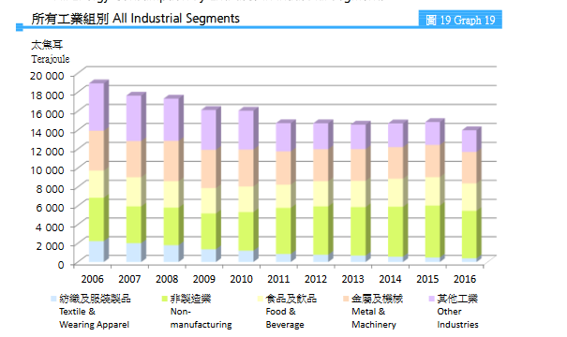
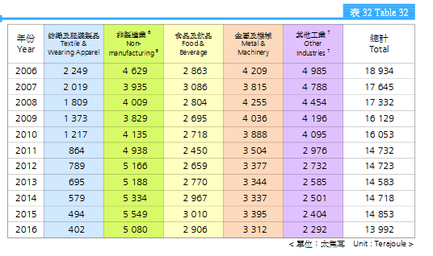
All energy consumption
 |  |  |  |  |  | Trend:

 |  |  |  |  | 18934
 |  |  |  |  | 17645
 |  |  |  |  | 17332
 |  |  |  |  | 16129
 |  |  |  |  | 16032
 |  |  |  |  | 14732
 |  |  |  |  | 14723
 |  |  |  |  | 14583
 |  |  |  |  | 14718
 |  |  |  |  | 14853
 |  |  |  |  | 13992

 |  | all industries in Btu 2016: |  | 1.3261856552E+13

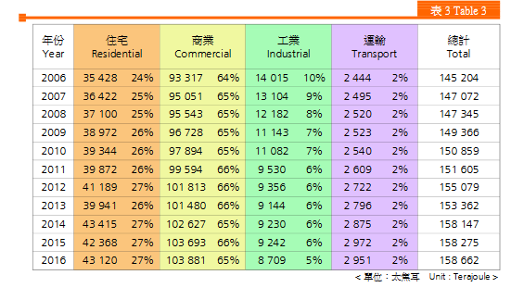
Electricity consumption
 |  |  |  |  |  |  | The downward trend seems to have slowed in recent years. We use the trend of the years 2011-2016 to project forward.

 |  |  |  |  |  |  | perc. Decrease per year: |  | 1.03%

 |  |  |  |  |  |  | we assume the percentage decrease per year is split homogenously across all energy sources.

 |  |  |  |  | 2016, in Btu: | 8.2545389301E+12

Oil & Coal: |  |  |  |  | Town Gas & LPG:
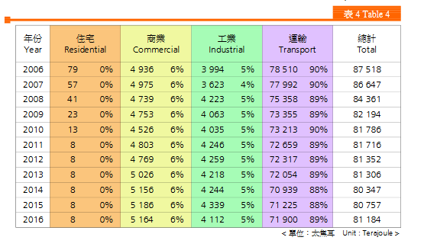
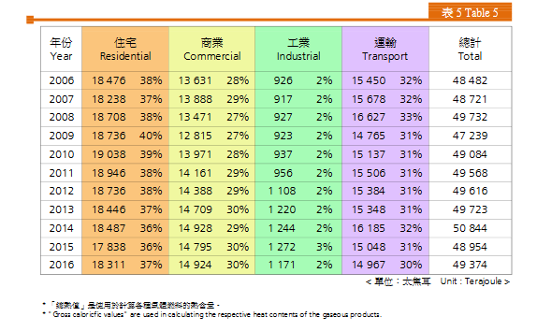

 |  |  | 2016, in Btu: | 3.8974238237E+12
 |  |  |  |  |  |  |  | 2016, in Btu: | 1.109893798E+12

Note: | we assume all energy use from this category to be in the petroleum-diesel category of the EPS, since there is very little heavy industry which would use coal

